Sheet1
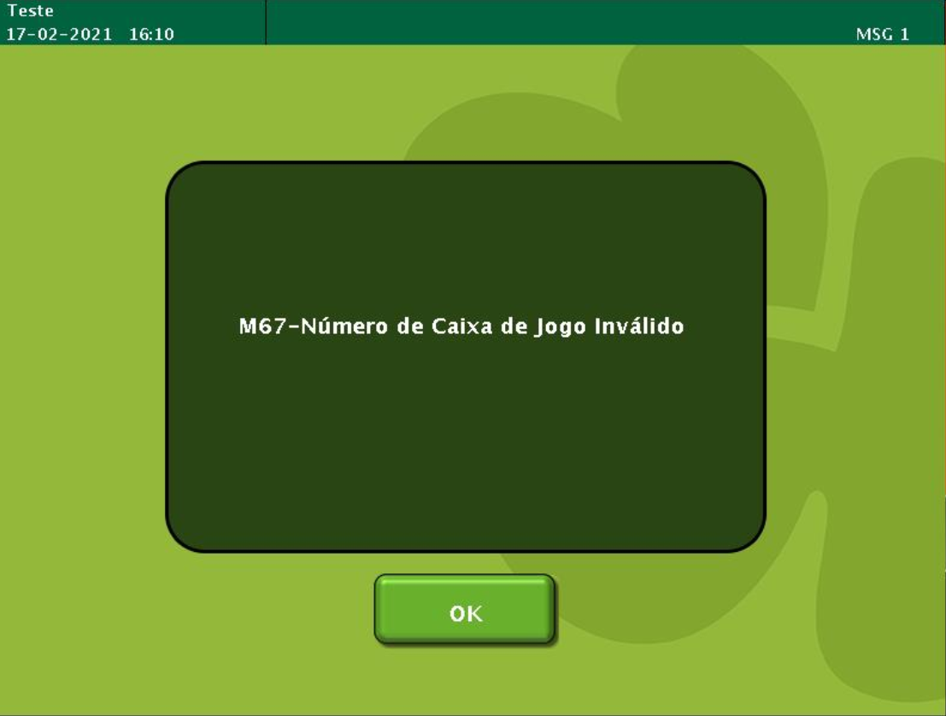
TestByte |  | Size | Field Contents |  | Hex | Bin | Dec
Start | End
1 | 1 | 1 | Control | Sequence | 21 | Control=0010 Sequence=0001 | 2 1 | Control -> x10 - Application Message Sequence -> 1
2 | 2 | 1 | Type = 13 | Subtype = 08 | D8 | Type=1101 Subtype=1000 | Type=13 Subtype=8 | Type = 13 Subtype = 8
3 | 4 | 2 | Checksum |  | 49 C6
5 | 5 | 1 | Statistics[1] |  | 00 |  | 0
6 | 7 | 2 | Option Flags |  | 00 00 |  | 0
8 | 8+n-1 | n | Option Data[2] |  | N | N | N | N
8+n | 9+n | 2 | Agent Pass Code |  | 0F DF |  | 4063
10+n | 13+n | 4 | Sales Representative Number |  | 00 00 00 00 |  | 0
14+n | 15+n | 2 | Sales Representative Pass Code |  | 00 00 |  | 60
16+n | 16+n | 1 | Class (see below) |  | 01 |  | 1 | Carton Activation
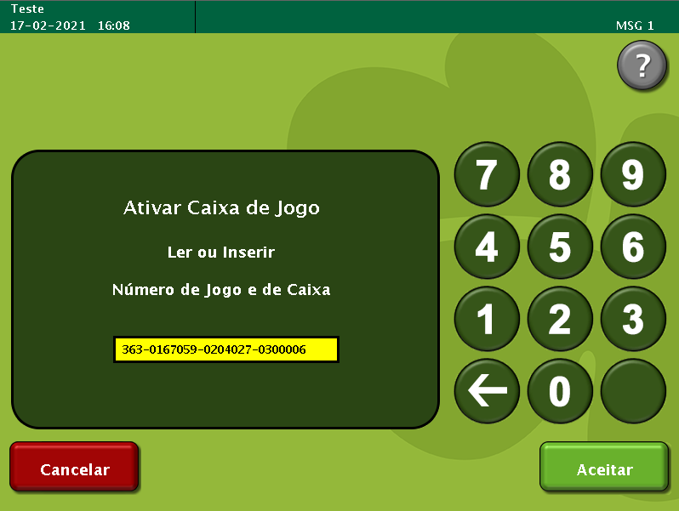
17+n | 18+n | 2 | Game Number (000-999) |  | 01 6B |  | 363
19+n | 22+n | 4 | Carton Number (0000001-9999999) |  | 00 04 93 E6 |  | 300006 | 0300006
23+n | 26+n | 4 | Starting Pack Number (0000001-9999999) |  | 00 03 AD 6D |  | 241005 | 7 digitos (241005)
27+n | 30+n | 4 | Ending Pack Number (0000001-9999999) |  | 00 03 AD 70 |  | 241008 | 7 digitos (241008)


TestByte |  | Size | Field Contents
Start | End
1 | 1 | 1 | Control | Sequence | 21 | Control=0010 Sequence=0001 | 2 1 | Control -> x10 - Application Message Sequence -> 1
2 | 2 | 1 | Type = 13 | Subtype = 08 | D8 | Type=1101 Subtype=1000 | Type=13 Subtype=8 | Type = 13 Subtype = 8
3 | 4 | 2 | Checksum |  | FF AF
5 | 7 | 3 | Time Stamp (seconds since midnight) |  | 00 E4 B5 |  | 58549 | 16:15:49.
8 | 9 | 2 | Julian Date (3 digits, unsigned) |  | 00 30 |  | 48 | 31+17=48
10 | 12 | 3 | External Serial Number (8 digits, unsigned) |  | 87 79 AB |  | 8 878 507 | 08878507
13 | 13 | 1 | Check Digits (3 digits, unsigned) |  | 34 |  | 52 | 052
14 | 14 | 1 | Result Code 1 (see below) |  | 01 |  | 1 | Error
15 | 15 | 1 | Result Code 2 (see below) |  | 43 |  | 67
16 | 16 | 1 | Class (see below) |  | 01 |  | 1 | Carton activation
17 | 18 | 2 | Pack Count |  | 00 00 |  | 0 | 0 Maços foram activos pois ocurreu um erro

